Analyze cost data with a stacke
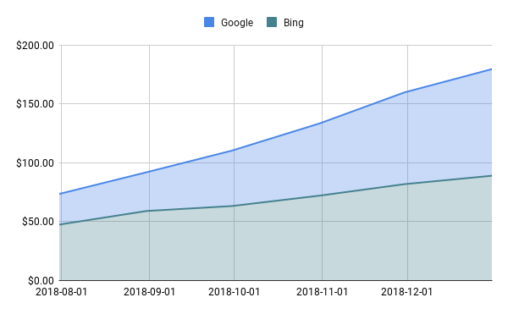
 | Cost |  | CTR
Date | Google | Bing | Google | Bing
2018-12-31 | $90.68 | $89.09 | 9.16% | 8.57%
2018-11-30 | $77.99 | $81.91 | 9.36% | 5.45%
2018-10-31 | $61.35 | $72.14 | 7.95% | 7.09%
2018-09-30 | $47.08 | $63.29 | 5.99% | 4.63%
2018-08-31 | $32.95 | $59.11 | 10.24% | 6.87%
2018-07-31 | $26.03 | $47.50 | 4.04% | 7.53%

Plotting campaign click-through
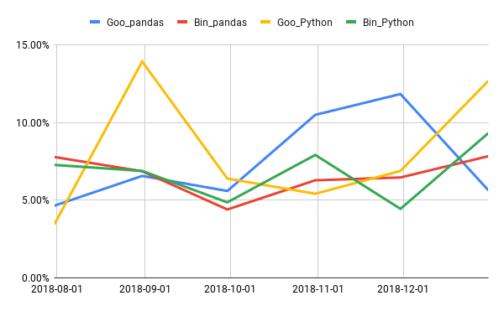
 | Pandas Brand |  | Python Brand
Date | Goo_pandas | Bin_pandas | Goo_Python | Bin_Python
2018-12-31 | 5.63% | 7.83% | 12.68% | 9.32%
2018-11-30 | 11.83% | 6.46% | 6.88% | 4.44%
2018-10-31 | 10.49% | 6.28% | 5.41% | 7.91%
2018-09-30 | 5.59% | 4.40% | 6.39% | 4.86%
2018-08-31 | 6.56% | 6.86% | 13.92% | 6.88%
2018-07-31 | 4.64% | 7.78% | 3.43% | 7.27%

Using a bar chart to visualize
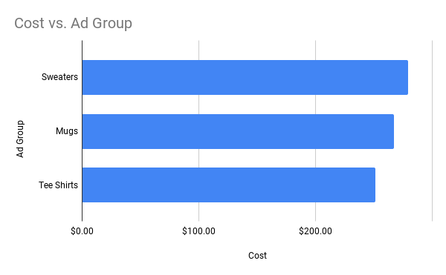
Ad Group | Impressions | Clicks | CTR | Cost
Sweaters | 2172 | 153 | 7.38% | $279.07
Mugs | 1913 | 144 | 9.11% | $267.47
Tee Shirts | 2727 | 164 | 6.63% | $251.46

Assessing campaign performance
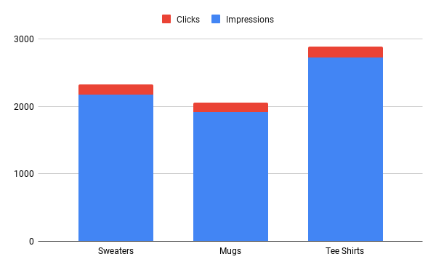
Ad Group | Impressions | Clicks | CTR | Cost
Sweaters | 2172 | 153 | 7.38% | $279.07
Mugs | 1913 | 144 | 9.11% | $267.47
Tee Shirts | 2727 | 164 | 6.63% | $251.46

Ad group overview with 100% sta
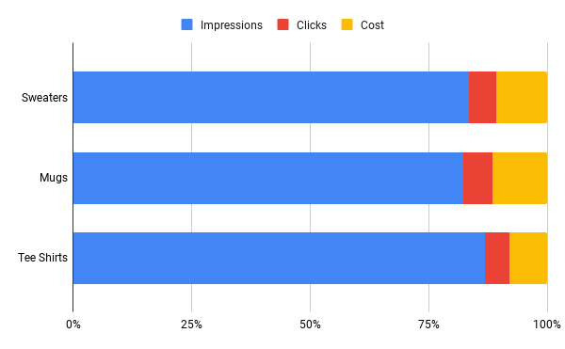
Ad Group | Impressions | Clicks | CTR | Cost
Sweaters | 2172 | 153 | 7.38% | $279.07
Mugs | 1913 | 144 | 9.11% | $267.47
Tee Shirts | 2727 | 164 | 6.63% | $251.46

Assessing campaign goal complet
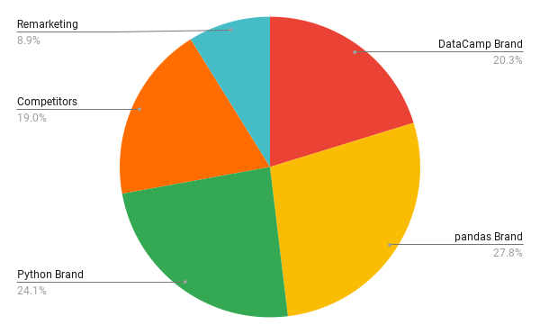
Campaign Name | Impressions | Clicks | Goal Completions
DataCamp Brand | 1618 | 77 | 32
pandas Brand | 1547 | 98 | 44
Python Brand | 1190 | 117 | 38
Competitors | 1233 | 92 | 30
Remarketing | 1224 | 77 | 14

Understanding click through rat
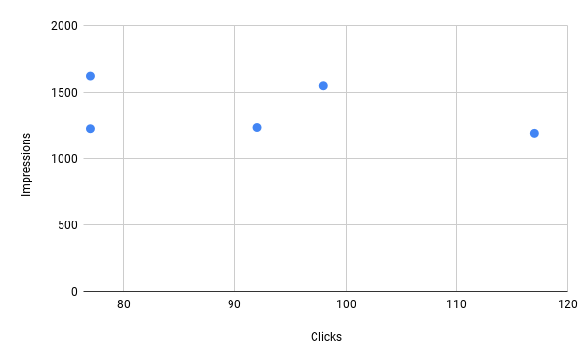
Campaign Name | Impressions | Clicks | Goal Completions
DataCamp Brand | 1618 | 77 | 32
pandas Brand | 1547 | 98 | 44
Python Brand | 1190 | 117 | 38
Competitors | 1233 | 92 | 30
Remarketing | 1224 | 77 | 14

Visualizing goal completions wi
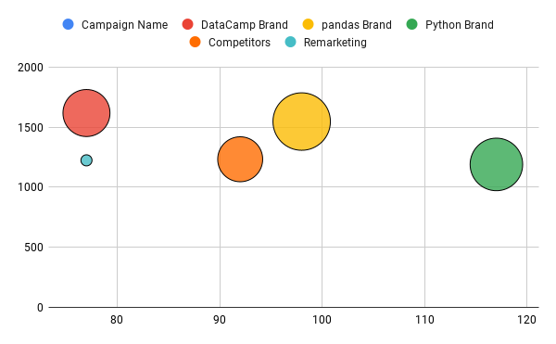
Campaign Name | Impressions | Clicks | Goal Completions
DataCamp Brand | 1618 | 77 | 32
pandas Brand | 1547 | 98 | 44
Python Brand | 1190 | 117 | 38
Competitors | 1233 | 92 | 30
Remarketing | 1224 | 77 | 14

Visualizing impressions with a
Source | Campaign Name | Ad Group | Impressions | Clicks | Goal Completions | Source | Impressions | Clicks | Goal Completions
Bing | Remarketing | Sweaters | 161 | 15 | 4 | Bing | 2968 | 183 | 88
Google | Python Brand | Mugs | 114 | 27 | 14 | Google | 3844 | 278 | 111
Bing | pandas Brand | Mugs | 115 | 9 | 8
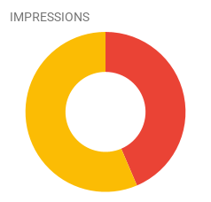
Google | Competitors | Tee Shirts | 462 | 26 | 4
Google | Competitors | Mugs | 169 | 20 | 7
Google | DataCamp Brand | Sweaters | 189 | 13 | 4
Bing | Python Brand | Mugs | 294 | 19 | 4
Bing | Competitors | Mugs | 248 | 11 | 9
Google | Competitors | Sweaters | 296 | 16 | 3
Google | Python Brand | Tee Shirts | 143 | 15 | 1
Google | pandas Brand | Sweaters | 219 | 14 | 13
Bing | Python Brand | Sweaters | 177 | 14 | 3
Google | Remarketing | Tee Shirts | 483 | 27 | 6
Google | pandas Brand | Mugs | 320 | 21 | 7
Bing | Competitors | Tee Shirts | 207 | 13 | 5
Google | pandas Brand | Tee Shirts | 158 | 22 | 15
Google | Remarketing | Sweaters | 323 | 15 | 9
Bing | pandas Brand | Tee Shirts | 144 | 7 | 9
Bing | DataCamp Brand | Sweaters | 182 | 8 | 8
Google | DataCamp Brand | Tee Shirts | 321 | 11 | 9
Bing | pandas Brand | Sweaters | 277 | 19 | 6
Bing | DataCamp Brand | Mugs | 189 | 13 | 14
Bing | Remarketing | Tee Shirts | 257 | 20 | 0
Bing | Competitors | Sweaters | 165 | 12 | 7
Google | Python Brand | Sweaters | 183 | 27 | 13
Google | DataCamp Brand | Mugs | 464 | 24 | 6
Bing | DataCamp Brand | Tee Shirts | 273 | 8 | 4
Bing | Python Brand | Tee Shirts | 279 | 15 | 7

Using a bubble chart to determi
Source | Campaign Name | Ad Group | Impressions | Clicks | Goal Completions | Source | Impressions | Clicks | Goal Completions
Bing | Remarketing | Sweaters | 161 | 15 | 4 | Bing | 2968 | 183 | 88
Google | Python Brand | Mugs | 114 | 27 | 14 | Google | 3844 | 278 | 111
Bing | pandas Brand | Mugs | 115 | 9 | 8
Google | Competitors | Tee Shirts | 462 | 26 | 4
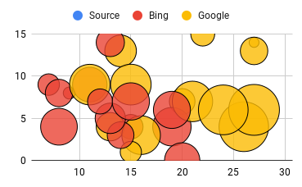
Google | Competitors | Mugs | 169 | 20 | 7
Google | DataCamp Brand | Sweaters | 189 | 13 | 4
Bing | Python Brand | Mugs | 294 | 19 | 4
Bing | Competitors | Mugs | 248 | 11 | 9
Google | Competitors | Sweaters | 296 | 16 | 3
Google | Python Brand | Tee Shirts | 143 | 15 | 1
Google | pandas Brand | Sweaters | 219 | 14 | 13
Bing | Python Brand | Sweaters | 177 | 14 | 3
Google | Remarketing | Tee Shirts | 483 | 27 | 6
Google | pandas Brand | Mugs | 320 | 21 | 7
Bing | Competitors | Tee Shirts | 207 | 13 | 5
Google | pandas Brand | Tee Shirts | 158 | 22 | 15
Google | Remarketing | Sweaters | 323 | 15 | 9
Bing | pandas Brand | Tee Shirts | 144 | 7 | 9
Bing | DataCamp Brand | Sweaters | 182 | 8 | 8
Google | DataCamp Brand | Tee Shirts | 321 | 11 | 9
Bing | pandas Brand | Sweaters | 277 | 19 | 6
Bing | DataCamp Brand | Mugs | 189 | 13 | 14
Bing | Remarketing | Tee Shirts | 257 | 20 | 0
Bing | Competitors | Sweaters | 165 | 12 | 7
Google | Python Brand | Sweaters | 183 | 27 | 13
Google | DataCamp Brand | Mugs | 464 | 24 | 6
Bing | DataCamp Brand | Tee Shirts | 273 | 8 | 4
Bing | Python Brand | Tee Shirts | 279 | 15 | 7

Source performance using a stan
Source | Campaign Name | Ad Group | Impressions | Clicks | Goal Completions | Source | Impressions | Clicks | Goal Completions
Bing | Remarketing | Sweaters | 161 | 15 | 4 | Bing | 2968 | 183 | 88
Google | Python Brand | Mugs | 114 | 27 | 14 | Google | 3844 | 278 | 111
Bing | pandas Brand | Mugs | 115 | 9 | 8
Google | Competitors | Tee Shirts | 462 | 26 | 4
Google | Competitors | Mugs | 169 | 20 | 7
Google | DataCamp Brand | Sweaters | 189 | 13 | 4
Bing | Python Brand | Mugs | 294 | 19 | 4
Bing | Competitors | Mugs | 248 | 11 | 9
Google | Competitors | Sweaters | 296 | 16 | 3
Google | Python Brand | Tee Shirts | 143 | 15 | 1
Google | pandas Brand | Sweaters | 219 | 14 | 13
Bing | Python Brand | Sweaters | 177 | 14 | 3
Google | Remarketing | Tee Shirts | 483 | 27 | 6
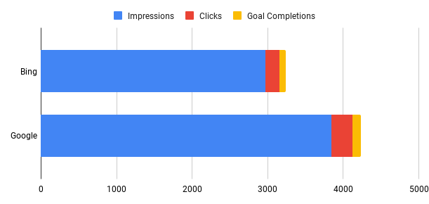
Google | pandas Brand | Mugs | 320 | 21 | 7
Bing | Competitors | Tee Shirts | 207 | 13 | 5
Google | pandas Brand | Tee Shirts | 158 | 22 | 15
Google | Remarketing | Sweaters | 323 | 15 | 9
Bing | pandas Brand | Tee Shirts | 144 | 7 | 9
Bing | DataCamp Brand | Sweaters | 182 | 8 | 8
Google | DataCamp Brand | Tee Shirts | 321 | 11 | 9
Bing | pandas Brand | Sweaters | 277 | 19 | 6
Bing | DataCamp Brand | Mugs | 189 | 13 | 14
Bing | Remarketing | Tee Shirts | 257 | 20 | 0
Bing | Competitors | Sweaters | 165 | 12 | 7
Google | Python Brand | Sweaters | 183 | 27 | 13
Google | DataCamp Brand | Mugs | 464 | 24 | 6
Bing | DataCamp Brand | Tee Shirts | 273 | 8 | 4
Bing | Python Brand | Tee Shirts | 279 | 15 | 7

